Upper low fr envelope
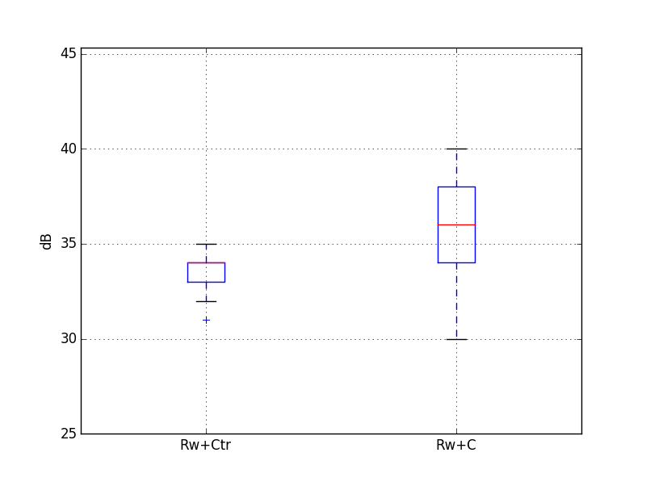
 |  |  |  |  |  |  |  |  |  |  |  |  |  | 12500 | 16000 | 20000 | A
 |  |  |  | Target |  | 35 | dB
Guest room at the corner |  |  |  | required Rw+Ctr |  | 32 | dB
Volume, V /m3 | 45.0 |  |  | required Rw+C |  | 37 | dB
Window area, S /m2 | 2.4
Reverberation Time, T /s | 0.5 |  | -4.7403126773 |  |  | 30

Octave centre frequency | dB(A) | 125 Hz | 250 Hz | 500 Hz | 1 kHz | 2 kHz
Maximum sound level of seagulls at 3m, L1in /dB(A) | 70 | 60 | 63 | 65 | 64 | 59
6 mm / 16 mm argon / 6.8 mm, R / dB |  | 22 | 27 | 35 | 42 | 41 |  | Rw+Ctr=33
Equation 1, L2 /dB(A) | 36 | 34 | 31 | 26 | 17 | 13

Octave centre frequency | dB(A) | 125 Hz | 250 Hz | 500 Hz | 1 kHz | 2 kHz
Maximum sound level of seagulls at 3m, L1in /dB(A) | 70 | 60 | 63 | 65 | 64 | 59
6/12/8.8 (44.2) |  | 27 | 25 | 42 | 49 | 45 |  | Rw+Ctr=33
Equation 1, L2 /dB(A) | 35 | 29 | 33 | 19 | 10 | 9 |  |  |  |  | Rw+C statistics |  | Rw+Ctr statistics
 |  |  |  |  |  |  |  |  |  | count | 20000 | count | 20000.0
Octave centre frequency | dB(A) | 125 Hz | 250 Hz | 500 Hz | 1 kHz | 2 kHz |  |  |  | mean | 34.7 | mean | 32.6
Maximum sound level of seagulls at 3m, L1in /dB(A) | 70 | 60 | 63 | 65 | 64 | 59 |  |  |  | std | 2.2 | std | 1.0
8 mm / 16 mm argon / 9.1 mm, R / dB |  | 24 | 29 | 41 | 47 | 47 |  | Rw+Ctr=36 | not data for RW+Ctr=35 | min | 29.0 | min | 29.5
Equation 1, L2 /dB(A) | 34 | 32 | 29 | 20 | 12 | 7 |  |  |  | 25% | 33.0 | 25% | 31.8
 |  |  |  |  |  |  |  |  |  | 0.5 | 35.0 | 50% | 32.8
Octave centre frequency | dB(A) | 125 Hz | 250 Hz | 500 Hz | 1 kHz | 2 kHz |  |  |  | 75% | 36.5 | 75% | 33.4
Maximum sound level of seagulls at 3m, L1in /dB(A) | 70 | 60 | 63 | 65 | 64 | 59 |  |  |  | max | 39.2 | max | 34.2
6/16/8.8 (44.2) |  | 24 | 28 | 39 | 48 | 46 |  | Rw+Ctr=35
Equation 1, L2 /dB(A) | 34 | 32 | 30 | 22 | 11 | 8

Octave centre frequency | dB(A) | 125 Hz | 250 Hz | 500 Hz | 1 kHz | 2 kHz
Maximum sound level of seagulls at 3m, L1in /dB(A) | 70 | 60 | 63 | 65 | 64 | 59
6/16/9.5 (44.4) |  | 24 | 28 | 39 | 49 | 45 |  | Rw+Ctr=35
Equation 1, L2 /dB(A) | 34 | 32 | 30 | 22 | 10 | 9

